Current output accuracy
Resistors H-Bridge |  | Channel 1 |  | Channel 2
Total resistance (kOhm) | 2
Sense resistor R1 (kOhm) | 1 | Setting |  | Setting
Sense resistor R2 (kOhm) | 1 | Frequency (Hz) |  | Frequency (Hz)
 |  | Amplitude (mA) |  | Amplitude (mA)
Using Multimeter? | FALSE | * Set duration sufficently long for reading. |  | * Set duration sufficently long for reading.
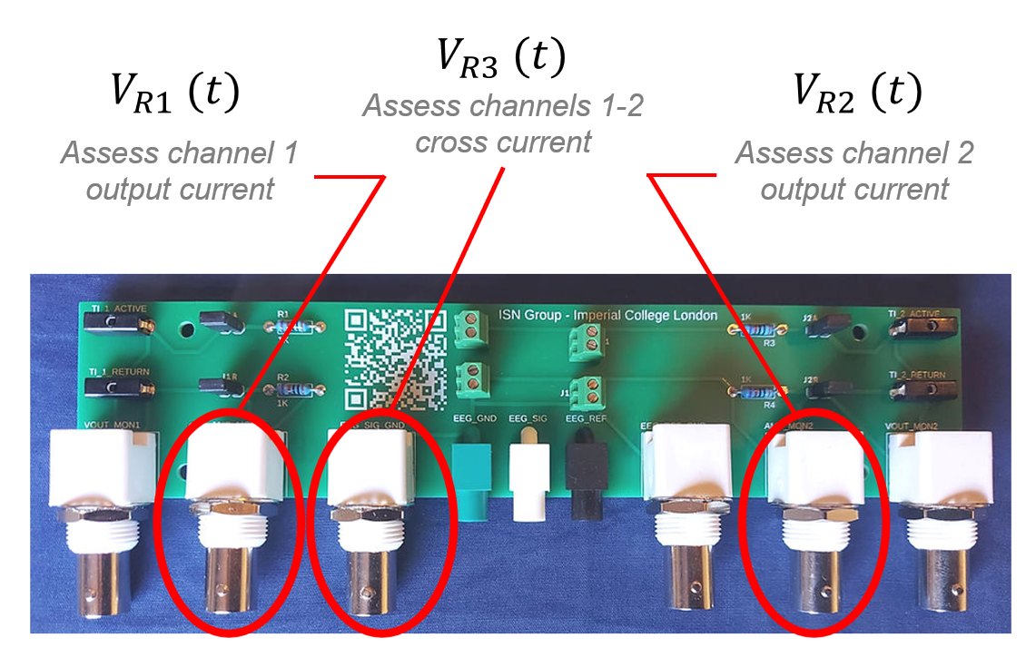
 |  | Measurement |  | Measurement
 |  | Voltage on R1 (V) |  | Voltage on R2 (V)
 |  | Calculated Current (mA) | 0 | Calculated Current (mA) | 0
 |  | Current error (%) | #DIV/0! | Current error (%) | #DIV/0!
 |  | Target amplitude error: < 5% |  | Target amplitude error: < 5%
 |  | Frequency (Hz) |  | Frequency (Hz)
 |  | Frequency error (Hz) | 0 | Frequency error (Hz) | 0
 |  | Target frequency error: < 0.1 Hz |  | Target frequency error: < 0.1 Hz

Instructions
Perform the procedure on each channel individually, focusing on a single current at a time.
1. Connect the TI stimulator and measurement equipment to the resistor H-bridge (sense resistors 1 and 2).
2. Set & Apply the TI stimulation test parameters.
Default parameters:
· Frequency: 2000 Hz
· Amplitude: 2mA
· Duration: 10s (no ramping)
3. Read voltage on sense resistor & Log measurement voltage.
4. Calculate current from measured voltage.
5. Assess TI stimulator accuracy.

Additional tests (optional)
1. Current leakage: Set and apply 0 mA currents and validate that no current is applied.
2. Timing: Measure the duration and ramping periods and test against set values.

